ILPA DDQ DEI Questions
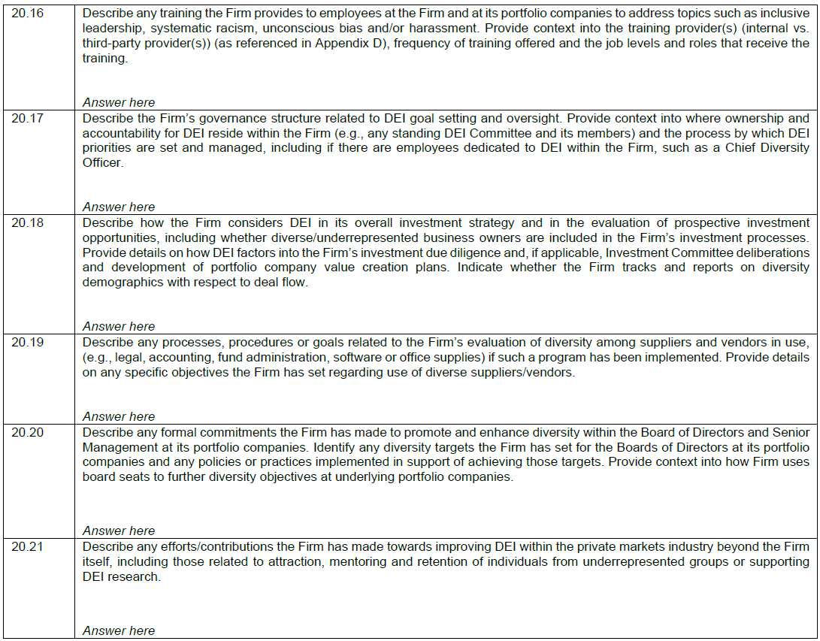
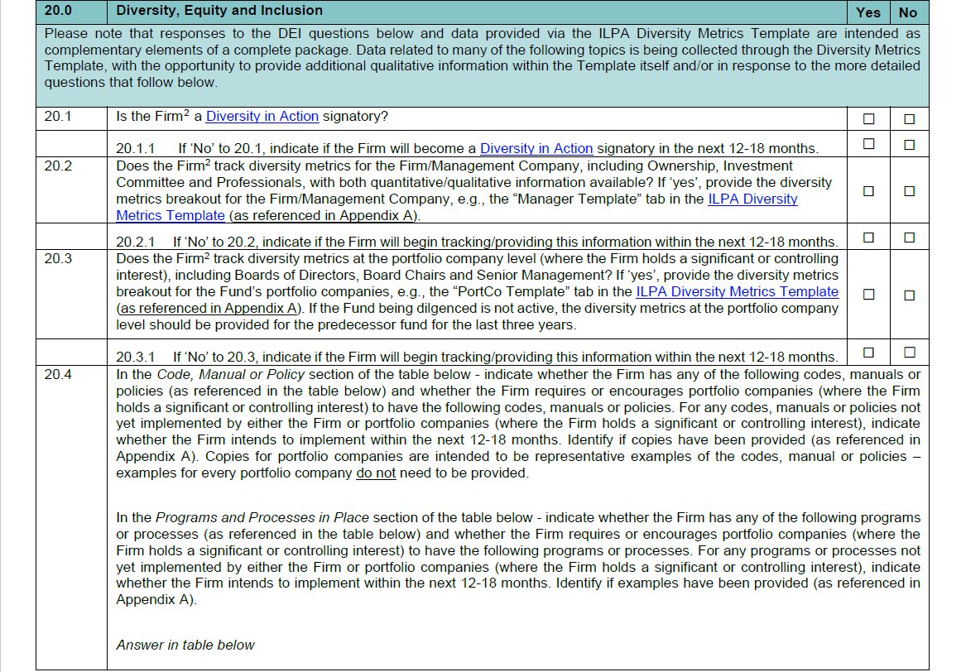
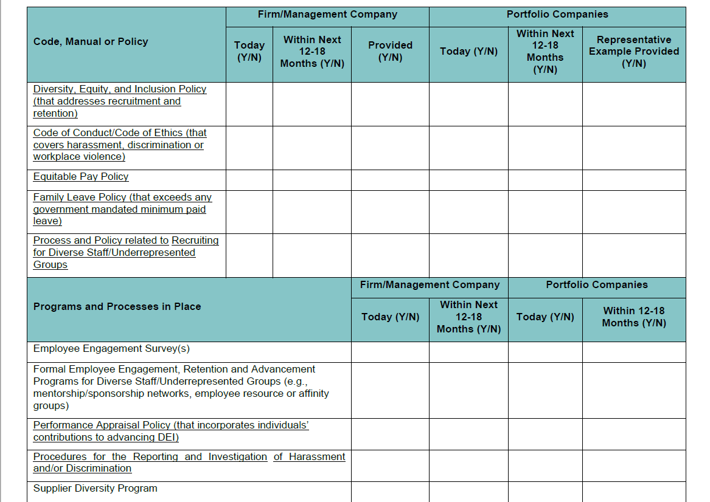
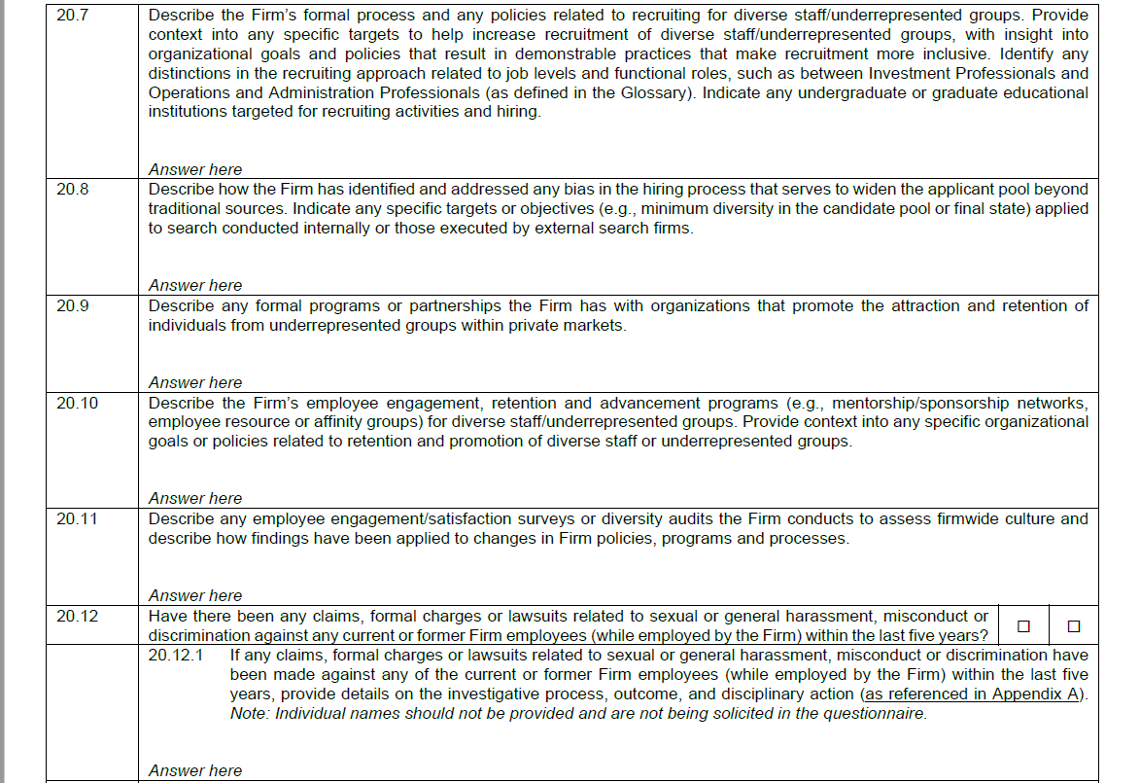
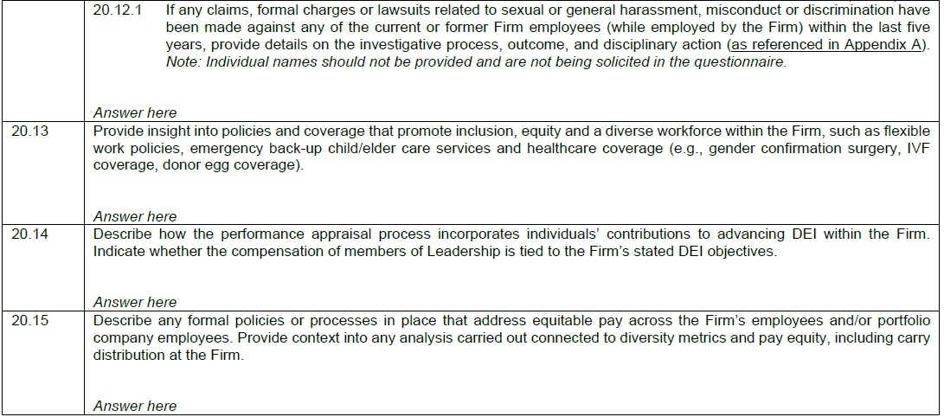
ILPA DDQ (2021) Questions on Diversity, Equity and Inclusion
Excerpt for reference only - to access an editable version of the ILPA DDQ (both .DOC and .PDF formats), please visit https://ilpa.org/due-diligence-questionnaire/.

EXAMPLE_GlobalFirm
EXAMPLE OF A GLOBAL FIRM WITH MULTIPLE GEOGRAPHIC LOCATIONS TIED TO FUND COMPLEX PRESENTED FOR ILLUSTRATION PURPOSES
MANAGEMENT COMPANY TEMPLATE - INPUTS

 | Manager Name: | ABC International Partners
 | Data provided as of date: | 2021-06-30
 | Business Entity Indicated, i.e., total firm vs asset class/strategy or business unit | ABC International Partners

Global team of ~200 employees, 120 in US, 50 in UK, 30 in France. Gender data only collected in UK and France. Race/ethnicity data in US collected in line with US EEOC designations
 | Offices indicated | United States, United Kingdom, France
 | HQ geography | United States

Investment Committee comprised of 7 individuals - 5 US, 1 UK, 1 France
 | Diversity of Investment Committee or Investment Decision Makers

 |  |  | Asian | Black | Hispanic / Latinx | Indigenous People | Middle Eastern / North African | White | Other | Two or More Races | Information Not Collected / Prefer Not to Provide | Total Investment Committee Members
 |  | Female |  |  |  |  |  | 1 |  |  | 1 | 2
 |  | Male | 1 |  |  |  |  | 3 |  |  | 1 | 5
 |  | Nonbinary |  |  |  |  |  |  |  |  |  | 0
 |  | Information Not Collected / Prefer Not to Provide |  |  |  |  |  |  |  |  |  | 0

 |  |  | 1 | 0 | 0 | 0 | 0 | 4 | 0 | 0 | 2 | 7

 | Investment Committee consists of 7 individuals, 5 partners based in the US, 1 in the UK and 1 in France. Of the 7, race/ethnicity information available for the 5 partners based in the US only.

 | Professionals

 |  |  | Asian | Black | Hispanic / Latinx | Indigenous People | Middle Eastern / North African | White | Other | Two or More Races | Information Not Collected / Prefer Not to Provide | TOTAL PROFESSIONALS
 | Female | Firm and Investment Leadership (Partners and C-Level Executives) | 0 | 0 | 0 | 0 | 0 | 1 |  | 0 | 1 | 2
 |  | Senior Investment Professionals | 1 | 0 | 0 | 0 | 0 | 3 |  | 0 | 3 | 7
 |  | Other Investment Professionals (not senior) | 3 | 1 | 1 | 0 | 0 | 14 |  | 1 | 13 | 33
 |  | Operations / Administration Leadership (Partners and C-Level Executives) | 0 | 0 | 0 | 0 | 0 | 1 |  | 0 | 1 | 2
 |  | Other Operations and Administration Professionals | 5 | 1 | 2 | 0 | 0 | 24 |  | 1 | 22 | 55
 |  | TOTAL - Female | 9 | 2 | 3 | 0 | 0 | 43 | 0 | 2 | 40 | 99
 | Male | Firm and Investment Leadership (Partners and C-Level Executives) | 1 | 0 | 0 |  |  | 3 |  |  | 3 | 7
 |  | Senior Investment Professionals | 2 | 0 | 1 |  |  | 10 |  |  | 9 | 22
 |  | Other Investment Professionals (not senior) | 4 | 1 | 1 |  |  | 18 |  |  | 16 | 40
 |  | Operations / Administration Leadership (Partners and C-Level Executives) | 0 | 0 | 0 |  |  | 2 |  |  | 2 | 4
 |  | Other Operations and Administration Professionals | 2 | 0 | 1 |  |  | 11 |  |  | 10 | 24
 |  | TOTAL - Male | 9 | 1 | 3 | 0 | 0 | 44 | 0 | 0 | 40 | 97
 | Nonbinary | Firm and Investment Leadership (Partners and C-Level Executives) |  |  |  |  |  |  |  |  |  | 0
 |  | Senior Investment Professionals |  |  |  |  |  |  |  |  |  | 0
 |  | Other Investment Professionals (not senior) |  |  |  |  |  |  |  |  |  | 0
 |  | Operations / Administration Leadership (Partners and C-Level Executives) |  |  |  |  |  |  |  |  |  | 0
 |  | Other Operations and Administration Professionals |  |  |  |  |  |  |  |  |  | 0
 |  | TOTAL - Nonbinary | 0 | 0 | 0 | 0 | 0 | 0 | 0 | 0 | 0 | 0
 | Information Not Collected / Prefer Not to Provide (Gender) | Firm and Investment Leadership (Partners and C-Level Executives) |  |  |  |  |  |  |  |  |  | 0
 |  | Senior Investment Professionals |  |  |  |  |  |  |  |  |  | 0
 |  | Other Investment Professionals (not senior) |  |  |  |  |  |  |  |  |  | 0
 |  | Operations / Administration Leadership (Partners and C-Level Executives) |  |  |  |  |  |  |  |  |  | 0
 |  | Other Operations and Administration Professionals |  |  |  |  |  |  |  |  |  | 0
 |  | TOTAL - Information Not Collected / Prefer Not to Provide (Gender) | 0 | 0 | 0 | 0 | 0 | 0 | 0 | 0 | 0 | 0

 |  | Total Professionals | 18 | 3 | 6 | 0 | 0 | 87 | 0 | 2 | 80 | 196

 |  |  |  |  |  |  | Additional Diversity Information |  |  |  |  |  | 1
 |  |  |  |  |  |  | Please provide the information below only if such information was self-reported on a voluntary basis by employees.
 |  |  |  |  |  |  |  |  |  |  | LGBTQ+
 |  |  |  |  |  |  |  |  |  |  | Veterans
 |  |  |  |  |  |  |  |  |  |  | Persons with disabilities
 | Availability of information beyond gender

 | Gender information collected across all three offices; race/ethnicity information only collected among US employees per EEOC definitions. No voluntary process offered for employees to self-identify as LGBTQ+, veteran / military service or disability status.

 | Availability of information beyond metrics indicated above

